Exp Value and Std Dev 1
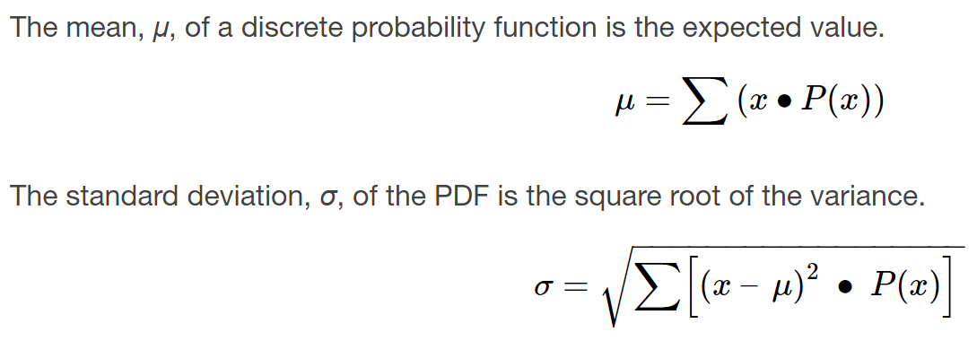
x | P(x) | x*P(x) | x-mu | (x-mu)^2 | (x-mu)^2*P(x)
0 | 0.12
1 | 0.18
2 | 0.3
3 | 0.15
4 | 0.1
a. What do the probabilities need to sum to?
b. P(x = 4) = _______
c. P(x ≥ 5) = _______
d. On average, how long would you expect a new hire to stay with the company?
e. What is the standard deviation?
5 | 0.1
6 | 0.05

Biased Coin
Suppose you play a game with a biased coin. You play each game by tossing the coin once. P(heads) = $\frac{2}{3}$ and P(tails) = $\frac{1}{3}$. If you toss a head, you pay $6. If you toss a tail, you win $10. If you play this game many times, will you come out ahead?
a. Define a random variable X.
b. Create a table of expected value outcomes. Create your own unique Excel spreadsheet.
c. What is the expected value, μ? Do you come out ahead?

Dice Outcomes
Toss a fair, six-sided die twice. Let X = the number of faces that show an even number. Construct a table of outcomes and calculate the mean μ and standard deviation σ of X. Create your own unique Excel spreadsheet.

