Binomial Distribtuion 1
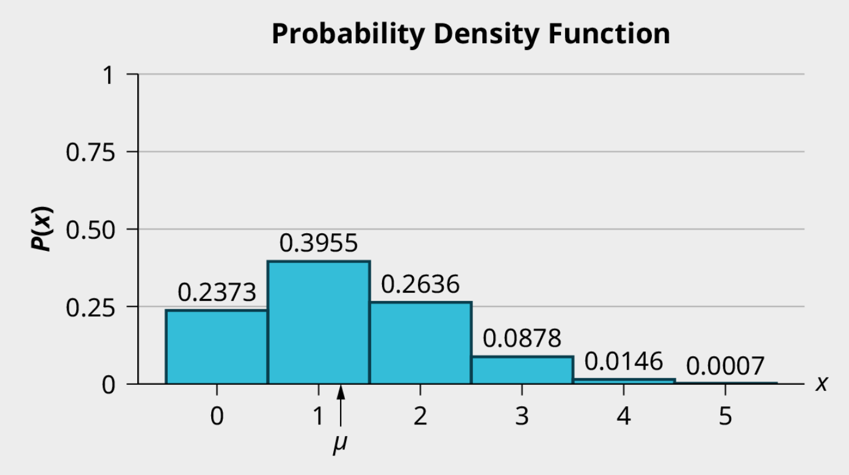
The Binomial Formula | x | P(x) |  | Write These Values Out So You Can See Them
 | 0 | 0.2373046875 |  | p | 0.25
 | 1 | 0.3955078125 |  | q | 0.75
 | 2 | 0.263671875 |  | n | 5
Binomial Distribtuon Formula:
=BINOM.DIST(x, n, p, false)
A coin has been altered to weight the heads outcome from 0.5 to 0.25 and is flipped 5 times. Each flip is independent.
Let X = the number of heads in 5 flips of the coin. X takes on the values 0, 1, 2, 3, 4, 5.
Since the coin is altered to result in p = 0.25, q is 0.75. The number of trials is n = 5.
a. What is the probability of getting more than 3 heads?
b. What is the probability of getting exactly 2 heads?
c. What is the expected number of heads in 5 flips?
 | 3 | 0.087890625
 | 4 | 0.0146484375
 | 5 | 0.0009765625 | <-This is basically 0

Binomial Distribution 2
Binomial Distribtuon Formula:
=BINOM.DIST(x, n, p, false)
Instructions
1. Create a table for x (from 0 - 100)
2. Compute the probabilities for each x using the binomial distrubtion function
3. Find the following probabilities:
a. the probability that two pages feature signature artists
b. the probability that at most six pages feature signature artists
c. the probability that more than three pages feature signature artists.
4. Using the formulas, calculate the (i) mean and (ii) standard deviation.
x | P(x) | p
 |  | q
 |  | n

In the 2013 Jerry’s Artarama art supplies catalog, there are 560 pages. Eight of the pages feature signature artists. Suppose we randomly sample 100 pages. Let X = the number of pages that feature signature artists. Use the Excel spreadsheet to build out this situation.
Find the following probabilities:
i) the probability that two pages feature signature artists
ii) the probability that at most six pages feature signature artists
iii) the probability that more than three pages feature signature artists
Using the formulas, calculate the
i) mean
ii) standard deviation.

Binomial Distribution 3
According to a recent article the average number of babies born with significant hearing loss (deafness) is approximately two per 1,000 babies in a healthy baby nursery. The number climbs to an average of 30 per 1,000 babies in an intensive care nursery.
Suppose that 1,000 babies from healthy baby nurseries were randomly surveyed. Find the probability that exactly two babies were born deaf.
Create your own Excel model for this situation.

Binomial Distribution 4
It is estimated that 40.3% of Kickstarter projects are successfully funded. Assume each Kickstarter project is independent. A random sample of 20 Kickstarter projects are followed. Let 𝑋 be the number Kickstarter projects that are successfully funded. Calculate the following:
a. $μ$
b. $σ$
c. $P(x=7)$
d. $P(x<5)$
e. $P(3≤x<7)$

Review A
List below at the exam grades from 10 students in a statistics class:
98, 78, 77, 86, 82, 82, 92, 64, 71, 95
What is the mean and standard deviation in this situation? You randomly select an exam from this pile. What is the probability that the exam score is a C (between 70-79, inclusive)?

98
78
77
86
82
82
92
64
71
95

Review B
Let X = the number of days Sarah goes to work in a week. See the table. What is the mean and standard deviation in this situation? What is the probability that Sarah goes to work 2 days or less in a week?

x | P(x)
0 | 0.05
1 | 0.06
2 | 0.14
3 | 0.2
4 | 0.55

Review C
A student takes a 32-question multiple-choice exam, but did not study and randomly guesses each answer. Each question has three possible choices for the answer. Find the probability that the student guesses more than 75% of the questions correctly. What is the expected outcome of this strategy?

