Final Scores
The final exam scores in a statistics class were normally distributed with a mean of 63 and a standard deviation of five.
a. Find the probability that a randomly selected student scored more than 65 on the exam. Compare these results for both the normal and standard normal distributions. b. Find the probability that a randomly selected student scored less than 85. Compare these results for both the normal and standard normal distributions.

Relevant Formulas for Finding Area or Probabilities:
Normal Distribution: Always calculates to the left. Use:
=norm.dist(x-data value, mean, standard deviation, TRUE)
Standard Normal Distribution: Always calculates to the left
=norm.s.dist(Z-score!!!, TRUE)
Example with Final Exams Scores in a Statistics Class
mean: | 63
std dev: | 5
This first part of this example has been completed for you so that you can examine the Excel setup and fomrulas - you complete
part B.

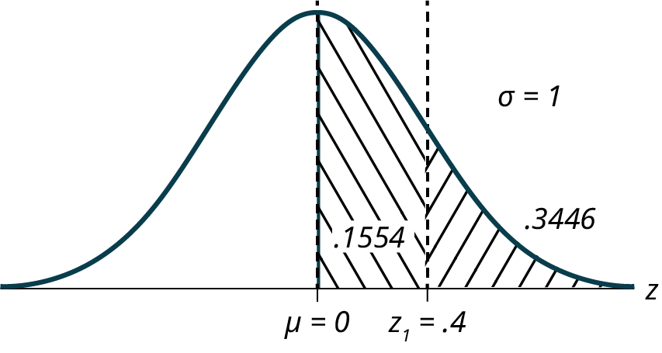

A) Find the probability that a randomly selected student scored more than 65 on the exam.
As a probability statement, this is: |  | P(x>65)
Normal Distribution Calculation: |  | 0.34457825839
Standard Normal Distribution Calculation:
 | Step 1: Find the z-score: | 0.4
 | Step 2: Calculate the area / probability | 0.34457825839

B) Find the probability that a randomly selected student scored less than 85. (You try!)
As a probability statement, this is:
Normal Distribution Calculation:
Standard Normal Distribution Calculation:
 | Step 1: Find the z-score:
 | Step 2: Calculate the area / probability
Draw a curve in your notes to model this situation.

Computer Use
A personal computer is used for office work at home, research, communication, personal finances, education, entertainment, social networking, and a myriad of other things. Suppose that the average number of hours a household personal computer is used for entertainment is two hours per day. Assume the times for entertainment are normally distributed and the standard deviation for the times is half an hour.
a. Find the probability that a household personal computer is used for entertainment between 1.8 and 2.75 hours per day.
b. Find the maximum number of hours per day that the bottom quartile of households uses a personal computer for entertainment.

Part B of this example has been completed for you so that you can review the Excel setup and formulas. You complete part A.
mean: | 2
std dev: | 0.5

A) Find the probability that a household personal computer is used for entertainment between 1.8 and 2.75 hours per day.
As a probability statement, this is:
Normal Distribution Calculation:
Standard Normal Distribution Calculation:
 | Step 1: Find the z-score:
 | Step 2: Calculate the area / probability
Draw a curve in your notes to model this situation.

B) Find the maximum number of hours per day that the bottom quartile of households uses a personal computer for entertainment.
In this case, we need a different formula to find the right x-value on our distribution.
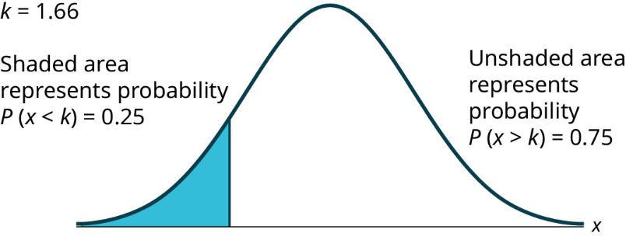
Normal/Standard Normal Distribution Inverse Formulas - To Find x-Values or z-scores
If you want to find an x-value, use
=norm.inv(amount of area/probability, mean, standard deviation)
If you want to find a z-score, use:
=norm.s.inv(amount of area/probability)

To find the x-value: |  | 1.6627551249

To find the z-score: |  | -0.6744897502 | This is the z-score for our associated x-value. We can use the mean and standard deviation to calculate the x-value: | 1.6627551249

Smartphone Users
In the United States the ages 13 to 55+ of smartphone users approximately follow a normal distribution with approximate mean and standard deviation of 36.9 years and 13.9 years, respectively.
a. Determine the probability that a random smartphone user in the age range 13 to 55+ is between 23 and 64.7 years old.
b. Determine the probability that a randomly selected smartphone user in the age range 13 to 55+ is at most 50.8 years old.
c. Calculate the interquartile range (IQR).
d. Forty percent of the smartphone users from 13 to 55+ are at least what age?
Draw a graph to accompany each situation.

Binomial Distribution
Imagine that it is known that only 10% of Australian Shepherd puppies are born with what is called "perfect symmetry" in their three colors, black, white, and copper. Perfect symmetry is defined as equal coverage on all parts of the dog when looked at in the face and measuring left and right down the centerline. A kennel would have a good reputation for breeding Australian Shepherds if they had a high percentage of dogs that met this criterion. During the past 5 years and out of the 100 dogs born to Dundee Kennels, 16 were born with this coloring characteristic.
What is the probability that, in 100 births, more than 16 would have this characteristic?

Binomial Distribution formula:
=binom.dist(x-value,total number of trials,probability of succes, FALSE)
Way 1: Use the Binomial Distribution |  |  |  | Way 2: Use the Normal Distribution

x | P(x) |  |  | n | 100
0 |  |  |  | p | 0.1
1 |  |  |  | q | 0.9
2 |  | n | 100 | np | 10
3 |  | p | 0.1 | nq
4 |  | q | 0.9 | mean |  | <- use the formulas for the binomial distribution (np)
5 |  |  |  | std dev |  | <- use the formulas for the binomial distribution (sqrt(npq))
Using the binomial distribution formulas for mean and standard deviation above, compute P(x>16) using the normal distribution
6
7
8
9
10
11
12
13
14
15
16
17
18
19
20
21
22
23
24
25
26
27
28
29
30
31
32
33
34
35
36
37
38
39
40
41
42
43
44
45
46
47
48
49
50
51
52
53
54
55
56
57
58
59
60
61
62
63
64
65
66
67
68
69
70
71
72
73
74
75
76
77
78
79
80
81
82
83
84
85
86
87
88
89
90
91
92
93
94
95
96
97
98
99
100

Repeated Experiment
An experiment with a probability of success given as 0.40 is repeated 100 times. Use the normal distribution to approximate the binomial distribution, and find the probability the experiment will have from 35 to 45 successes.

Final Exam
Historically, a final exam in a course is passed with a probability of 0.9. The exam is given to a group of 70 students. What is the probability that at least 65 of them passed?

Oranges
A tree in an orchard has 200 oranges. Of the oranges, 40 are not ripe. Use the normal distribution to approximate the binomial distribution, and determine the probability a box containing 35 oranges has at most two oranges that are not ripe.

1A
A fair coin is flipped 2 times. What is the probability of getting a heads first in this situation?

1B
In a large city one in ten fire hydrants are in need of repair. If a crew examines 100 fire hydrants in a week, what is the probability they will find nine of fewer fire hydrants that need repair? Use the normal distribution to approximate the binomial distribution.

1C
You buy a lottery ticket to a lottery that costs $10 per ticket. There are only 100 tickets available to be sold in this lottery. In this lottery there are one $500 prize, two $100 prizes, and four $25 prizes. Find your expected gain or loss.

1D
Suppose that the duration of a particular type of criminal trial is known to be normally distributed with a mean of 21 days and a standard deviation of seven days. Sixty percent of all trials of this type are completed within how many days?

1E
Find the mean and standard deviation from a sample consisting of the amount of money spent on groceries in a single trip: $25.12, $82.12, $123.23, $75.23, $88.12, $105.27, $65.45, $49.23. What percentage of grocery bills in this sample were less than $75?

1F
A subway train arrives every eight minutes during rush hour. We are interested in the length of time a commuter must wait for a train to arrive. The time follows a uniform distribution. Find the mean and standard deviation. What is the probability that a commuter waits more than 5 minutes for the train?

