DF Calculator
Degrees of Freedom Calculator
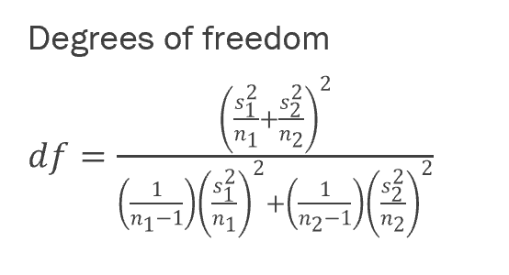

 | n | s
Group 1 | 9 | 0.866 | <-- Enter your data into the appropriate boxes, the first example from the slides is shown but you may override it
Group 2 | 16 | 1

Degrees of Freedom: |  | 18.846591253

Access the associated OpenStax textbook for free at https://openstax.org/books/introductory-statistics-2e/pages/1-introduction

Boys v Girls Sports
The average amount of time boys and girls aged seven to 11 spend playing sports each day is believed to be the same. A study is done and data are collected. Each population has a normal distribution. Is there a difference in the mean amount of time boys and girls aged seven to 11 play sports each day? Test at the 5% level of significance.

This example has been worked out for you so that you can see how the data is organized and the formulas are used
 | Sample Size | Average Number of Hours Playing Sports Per Day | Sample Standard Deviation
Girls | 9 | 2 | 0.866
Boys | 16 | 3.2 | 1

 |  |  | Calculate the standard error of the means:
 |  |  | 0.3818749068 | <-- Standard Error

 |  |  | Calculate the test-statistic:
 |  |  | -3.14 | <-- Test Statistic, notice if references the Standard Error calculation in the denominator
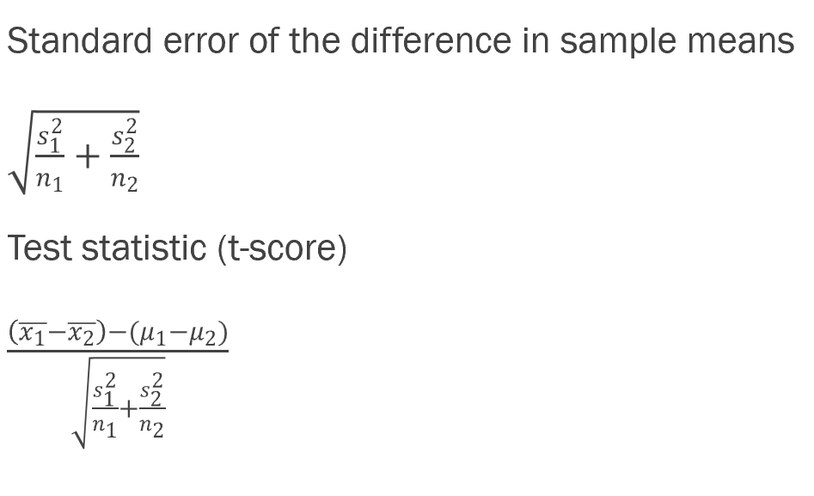
 |  |  | Calculate the degrees of freedom:
 |  |  | 18.8466 | <--Degrees of Freedom

 |  |  | Below is the formula for calculating the p-value:
 |  |  | 0.0056611063136 | <-- Multiply by 2 because it is a two-tailed test

Conclusion: At the 5% level of significance, the sample data show there is sufficient evidence to conclude that the mean number of hours that girls and boys aged seven to 11 play sports per day is different (mean number of hours boys aged seven to 11 play sports per day is greater than the mean number of hours played by girls OR the mean number of hours girls aged seven to 11 play sports per day is greater than the mean number of hours played by boys).

Comm College A vs B
A study is done by a community group in two neighboring colleges to determine which one graduates students with more math classes. College A samples 11 graduates. Their average is four math classes with a standard deviation of 1.5 math classes. College B samples nine graduates. Their average is 3.5 math classes with a standard deviation of one math class. The community group believes that a student who graduates from college A has taken more math classes, on the average. Both populations have a normal distribution. Test at a 1% significance level.

Online v F2F Class
A professor at a large community college wanted to determine whether there is a difference in the means of final exam scores between students who took his statistics course online and the students who took his face-to-face statistics class. He believed that the mean of the final exam scores for the online class would be lower than that of the face-to-face class. Was the professor correct? The randomly selected 30 final exam scores from each group are listed in the tables on the next slides, see the Excel spreadsheet. Is the mean of the Final Exam scores of the online class lower than the mean of the Final Exam scores of the face-to-face class? Test at a 5% significance level.

Online Class
67.6 | 41.2 | 85.3 | 55.9 | 82.4 | 91.2 | 73.5 | 94.1 | 64.7 | 64.7
70.6 | 38.2 | 61.8 | 88.2 | 70.6 | 58.8 | 91.2 | 73.5 | 82.4 | 35.5
94.1 | 88.2 | 64.7 | 55.9 | 88.2 | 97.1 | 85.3 | 61.8 | 79.4 | 79.4

Face-to-Face Class
77.9 | 95.3 | 81.2 | 74.1 | 98.8 | 88.2 | 85.9 | 92.9 | 87.1 | 88.2
69.4 | 57.6 | 69.4 | 67.1 | 97.6 | 85.9 | 88.2 | 91.8 | 78.8 | 71.8
98.8 | 61.2 | 92.9 | 90.6 | 97.6 | 100 | 95.3 | 83.5 | 92.9 | 89.4

Two Engines
The means of the number of revolutions per minute of two competing engines are to be compared. Thirty engines of each type are randomly assigned to be tested. Both populations have normal distributions. The table below shows the result. Do the data indicate that Engine 2 has higher RPM than Engine 1? Test at a 5% level of significance.

Engine | Sample Mean Number of RPM | Population Standard Deviation
1 | 1,500 | 50
2 | 1,600 | 60
$$H_{0}:μ_{1}≥μ_{2}$$
$$H_{A}:μ_{1}<μ_{2}$$

Two Unknown Samples
A summary of two independent samples is given in the table below. Given the null and alternative hypotheses below, conduct a hypothesis test that the mean for sample 1 is less than the mean for sample 2 with significance level $α=0.05.$

$$H_{0}:μ_{1}≥μ_{2}$$
$$H_{a}:μ_{1}<μ_{2}$$
 | Sample 1 | Sample 2
n | 41 | 34
mean | 85 | 90.5
σ | 17.5 | 16.5

