Exp Value and Std Dev 1
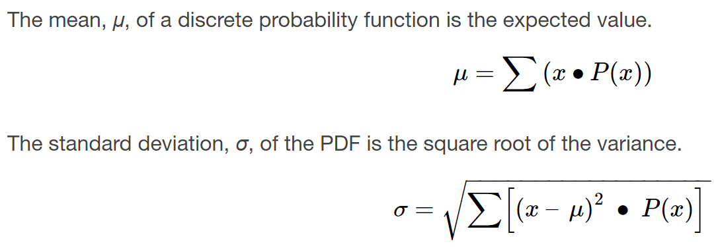
x | P(x) | x*P(x) | x-mu | (x-mu)^2 | (x-mu)^2*P(x)
0 | 0.12
1 | 0.18
2 | 0.3
3 | 0.15
4 | 0.1
5 | 0.1
6 | 0.05

Expected Value:

Standard Deviation:

Binomial Distribtuion 1
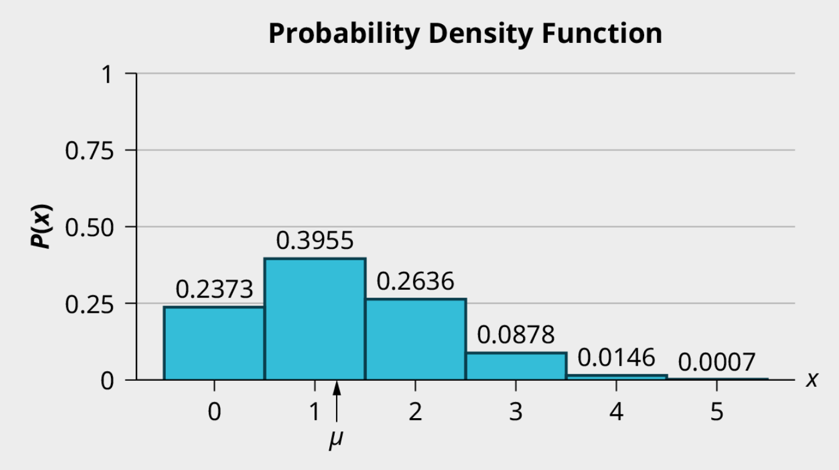
The Binomial Formula | x | P(x) |  | Write These Values Out So You Can See Them
 | 0 | 0.2373046875 |  | p | 0.25
 | 1 | 0.3955078125 |  | q | 0.75
 | 2 | 0.263671875 |  | n | 5
Binomial Distribtuon Formula:
=BINOM.DIST(x, n, p, false)
A coin has been altered to weight the heads outcome from 0.5 to 0.25 and is flipped 5 times. Each flip is independent.
Let X = the number of heads in 5 flips of the coin. X takes on the values 0, 1, 2, 3, 4, 5.
Since the coin is altered to result in p = 0.25, q is 0.75. The number of trials is n = 5.
a. What is the probability of getting more than 3 heads?
b. What is the probability of getting exactly 2 heads?
c. What is the expected number of heads in 5 flips?
 | 3 | 0.087890625
 | 4 | 0.0146484375
 | 5 | 0.0009765625 | <-This is basically 0

Binomial Distribution 2
Binomial Distribtuon Formula:
=BINOM.DIST(x, n, p, false)
Instructions
1. Create a table for x (from 0 - 100)
2. Compute the probabilities for each x using the binomial distrubtion function
3. Find the following probabilities:
a. the probability that two pages feature signature artists
b. the probability that at most six pages feature signature artists
c. the probability that more than three pages feature signature artists.
4. Using the formulas, calculate the (i) mean and (ii) standard deviation.
x | P(x) | p | 0.014285714286
0 | 0.237 | q | 0.98571428571
1 | 0.344 | n | 100
2 | 0.247
3 | 0.117
In the 2013 Jerry’s Artarama art supplies catalog, there are 560 pages. Eight of the pages feature signature artists. Suppose we randomly sample 100 pages. Let X = the number of pages that feature signature artists. Use the Excel spreadsheet to build out this situation.
Find the following probabilities:
i) the probability that two pages feature signature artists
ii) the probability that at most six pages feature signature artists
iii) the probability that more than three pages feature signature artists
Using the formulas, calculate the
i) mean
ii) standard deviation.
4 | 0.041
5 | 0.011
6 | 0.003
7 | 0.001
8 | 0.000
9 | 0.000
10 | 0.000
11 | 0.000
12 | 0.000
13 | 0.000
14 | 0.000
15 | 0.000
16 | 0.000
17 | 0.000 |  |  | i) | 0.247
18 | 0.000 |  |  | ii) | 0.999
19 | 0.000 |  |  | iii) | 0.056
20 | 0.000
21 | 0.000 |  |  | i) | np | 1.4285714286
22 | 0.000 |  |  | ii) | sqrt(npq) | 1.1866605518
23 | 0.000
24 | 0.000
25 | 0.000
26 | 0.000
27 | 0.000
28 | 0.000
29 | 0.000
30 | 0.000
31 | 0.000
32 | 0.000
33 | 0.000
34 | 0.000
35 | 0.000
36 | 0.000
37 | 0.000
38 | 0.000
39 | 0.000
40 | 0.000
41 | 0.000
42 | 0.000
43 | 0.000
44 | 0.000
45 | 0.000
46 | 0.000
47 | 0.000
48 | 0.000
49 | 0.000
50 | 0.000
51 | 0.000
52 | 0.000
53 | 0.000
54 | 0.000
55 | 0.000
56 | 0.000
57 | 0.000
58 | 0.000
59 | 0.000
60 | 0.000
61 | 0.000
62 | 0.000
63 | 0.000
64 | 0.000
65 | 0.000
66 | 0.000
67 | 0.000
68 | 0.000
69 | 0.000
70 | 0.000
71 | 0.000
72 | 0.000
73 | 0.000
74 | 0.000
75 | 0.000
76 | 0.000
77 | 0.000
78 | 0.000
79 | 0.000
80 | 0.000
81 | 0.000
82 | 0.000
83 | 0.000
84 | 0.000
85 | 0.000
86 | 0.000
87 | 0.000
88 | 0.000
89 | 0.000
90 | 0.000
91 | 0.000
92 | 0.000
93 | 0.000
94 | 0.000
95 | 0.000
96 | 0.000
97 | 0.000
98 | 0.000
99 | 0.000
100 | 0.000

