Bread
Suppose a baker claims that his bread height is more than 15 cm, on average. Several of his customers do not believe him. To persuade his customers that he is right, the baker decides to do a hypothesis test. He bakes 10 loaves of bread. The mean height of the sample loaves is 17 cm. The baker knows from baking hundreds of loaves of bread that the standard deviation for the height is 0.5 cm. and the distribution of heights is normal.

Data |  | Distribution of Sample Means
Mean | 15 | Mean | 15
Std Dev | 0.5 | Std Dev | 0.15811388301
n | 10 | Test Stat | 12.649110641
x | 17
Using P-values: You can either used the Normal Distribution or the Standard Normal Distribution Formulas
Calculate P(x>17) using the distribution of sample means |  |  | P(x>17) | 0 | <-You can calculate this same stat either use the normal distribution
 |  |  | P(x>test stat) | 0 | <-You can also calculate your test statistic and then use the standard normal distribution

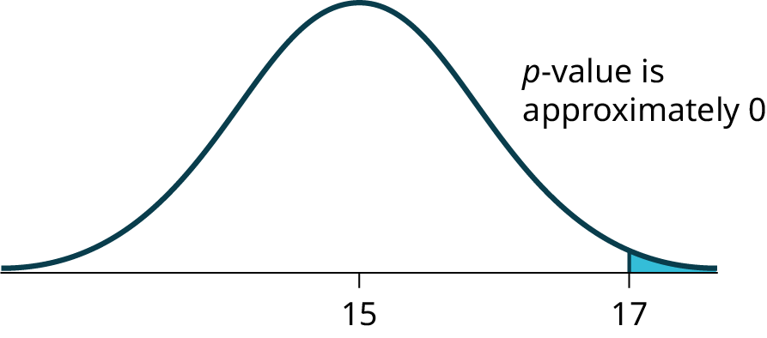

This example has been worked out for you so that you can see how the data is organized and the formulas are used

Access the associated OpenStax textbook for free at https://openstax.org/books/introductory-statistics-2e/pages/1-introduction

Swimmer
Jeffrey, as an eight-year old, established a mean time of 16.43 seconds for swimming the 25-yard freestyle, with a standard deviation of 0.8 seconds. His dad, Frank, thought that Jeffrey could swim the 25-yard freestyle faster using goggles. Frank bought Jeffrey a new pair of expensive goggles and timed Jeffrey for 15 25-yard freestyle swims. For the 15 swims, Jeffrey's mean time was 16 seconds. Frank thought that the goggles helped Jeffrey to swim faster than the 16.43 seconds. Conduct a hypothesis test using a preset α = 0.05. Assume that the swim times for the 25-yard freestyle are normal.
This example has been worked out for you so that you can see how the data is organized and the formulas are used

Way 1 - With P-values |  |  |  |  |  | Way 2 - With Critical Values
Data |  |  |  | Distribution of Sample Means |  | Data |  |  | Distribution of Sample Means
Mean | 16.43 |  |  | Mean | 16.43 | Mean | 16.43 |  | Mean | 16.43
Std Dev | 0.8 |  |  | Std Dev | 0.2065591118 | Std Dev | 0.8 |  | Std Dev | 0.2065591118
n | 15 |  |  | Test Stat | -2.0817285486 | n | 15
x | 16
P-value | P(x<16) | 0.018683635714 | <- Using the normal distribution
 | P(x<test stat) | 0.018683635714 | <- Using standard normal distribution + test stat)
 |  | If p is low, the null must go!
 |  |  |  |  |  | Compute the test statistic |  | -2.0817285486 | <- Compare to critical value
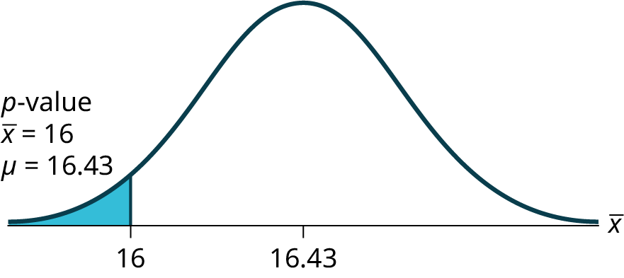
 |  |  |  |  |  | Compute critical value at 0.05 |  | -1.644853627
 |  |  |  |  |  | Compare these values |  | test stat < crit value
 |  |  |  |  |  | So reject

Jasmine's Sales
Jasmine has just begun her new job on the sales force of a very competitive company. In a sample of 16 sales calls it was found that she closed the contract for an average value of 108 dollars with a standard deviation of 12 dollars. Test at 5% significance that the population mean is at least 100 dollars against the alternative that it is less than 100 dollars. Company policy requires that new members of the sales force must exceed an average of $100 per contract during the trial employment period. Can we conclude that Jasmine has met this requirement at the significance level of 95%? Use the critical value method for this one.

This example has been worked out for you so that you can see how the data is organized and the formulas are used
Data
Data |  |  | Student's T - Distribution of Sample Means
Mean | 100 |  | Mean | 100
Std Dev | 12 |  | Std Dev | 3
n | 16 |  | DF | 15
x | 108
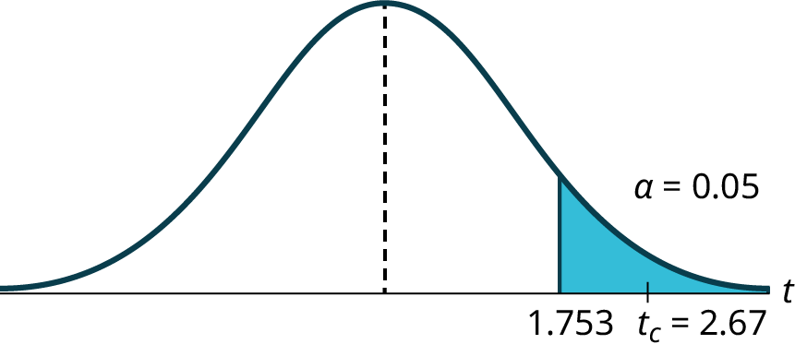
Critical Value Method with Student's t

Test Statistic | 2.6666666667
Critical Value | 1.7530503557 | <- Make it positive since we have a right-tailed test

P-value Method with Student's t
Test Statistic | 2.6666666667
P-value | 0.0087975765341

Football
A college football coach records the mean weight that the players can bench press as 275 pounds, with a standard deviation of 55 pounds. Three of the players thought that the mean weight was more than that amount. They asked 30 of their teammates for their estimated maximum lift on the bench press exercise. The data ranged from 205 pounds to 385 pounds. The actual different weights were (frequencies are in parentheses) 205(3); 215(3); 225(1); 241(2); 252(2); 265(2); 275(2); 313(2); 316(5); 338(2); 341(1); 345(2); 368(2); 385(1).
Conduct a hypothesis test using a 2.5% level of significance to determine if the bench press mean is more than 275 pounds.

Salad Dressing Machine
A manufacturer of salad dressings uses machines to dispense liquid ingredients into bottles that move along a filling line. The machine that dispenses salad dressings is working properly when 8 ounces are dispensed. Suppose that the average amount dispensed in a particular sample of 35 bottles is 7.91 ounces with a variance of 0.03 ounces squared, $s^{2}$. Is there evidence that the machine should be stopped and production wait for repairs? The lost production from a shutdown is potentially so great that management feels that the level of significance in the analysis should be 99%. Again we will follow the steps in our analysis of this problem. Use critical values for your analysis, and then compare this approach to p-values.

Stats Students
Statistics students believe that the mean score on the first statistics test is 65. A statistics instructor thinks the mean score is higher than 65. He samples ten statistics students and obtains the scores 65; 65; 70; 67; 66; 63; 63; 68; 72; 71. He performs a hypothesis test using a 5% level of significance. The data are assumed to be from a normal distribution. Use p-values.

Brides v Grooms
Joon believes that 50% of first-time brides in the United States are younger than their grooms. She performs a hypothesis test to determine if the percentage is the same or different from 50%. Joon samples 100 first-time brides and 53 reply that they are younger than their grooms. For the hypothesis test, she uses a 1% level of significance. Compare the p-value versus critical value approach. Compare the p-value versus critical value approach.

Blood Type
Statistical data indicates that in a certain country there are approximately 268,608,618 residents aged 12 and older. For a certain period of time, statistical data also indicates that the percentage of residents with blood type AB negative (AB-) is 207,754 individuals. This translates into a percentage of 0.078% with this rather rare blood type. In a certain province of the country, there were 11 people with blood type AB- out of the population of 37,937. Conduct an appropriate hypothesis test to determine if there is a statistically significant difference between the percentage of residents in the entire country with blood type AB- versus the percentage in the local province. Use a significance level of 0.01. Use p-values.

